Daily Power Station Chart_15-01
Plant_18/03/2025Chart

Plant:odco1 |  |  | Installed Capacity:111.180kWp
Today Yield(kWh):665.900kWh |  | Today Earning:266360.000TND |  | Today Full Load Hours(h):5.99h

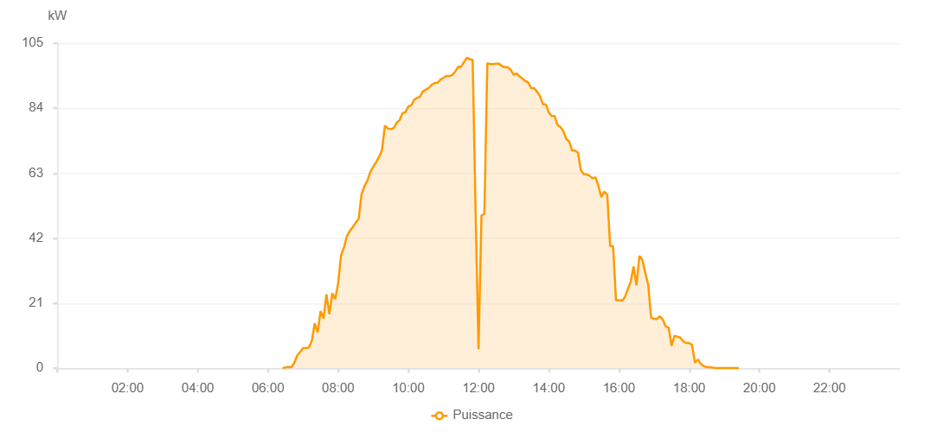

Number | Time | Working State | PV(W) | Instantaneous Radiation(W/㎡)
1 | 06:25:00 | Online | 20.00000 | 0
2 | 06:30:00 | Online | 260.00000 | 0
3 | 06:35:00 | Online | 430.00000 | 0
4 | 06:40:00 | Online | 350.00000 | 4.00000
5 | 06:45:00 | Online | 1730.00000 | 13.00000
6 | 06:50:00 | Online | 4100.00000 | 45.00000
7 | 06:55:00 | Online | 5240.00000 | 45.00000
8 | 07:00:00 | Online | 6510.00000 | 59.00000
9 | 07:05:00 | Online | 6550.00000 | 75.00000
10 | 07:10:00 | Online | 6690.00000 | 67.00000
11 | 07:15:00 | Online | 8890.00000 | 67.00000
12 | 07:20:00 | Online | 14490.00000 | 95.00000
13 | 07:25:00 | Online | 11610.00000 | 168.00000
14 | 07:30:00 | Online | 18470.00000 | 120.00000
15 | 07:35:00 | Online | 16090.00000 | 177.00000
16 | 07:40:00 | Online | 23880.00000 | 150.00000
17 | 07:45:00 | Online | 17500.00000 | 252.00000
18 | 07:50:00 | Online | 24290.00000 | 156.00000
19 | 07:55:00 | Online | 22320.00000 | 311.00000
20 | 08:00:00 | Online | 27460.00000 | 206.00000
21 | 08:05:00 | Online | 36470.00000 | 363.00000
22 | 08:10:00 | Online | 39000.00000 | 397.00000
23 | 08:15:00 | Online | 42680.00000 | 430.00000
24 | 08:20:00 | Online | 44400.00000 | 453.00000
25 | 08:25:00 | Online | 45570.00000 | 467.00000
26 | 08:30:00 | Online | 47000.00000 | 489.00000
27 | 08:35:00 | Online | 48170.00000 | 512.00000
28 | 08:40:00 | Online | 56160.00000 | 536.00000
29 | 08:45:00 | Online | 58850.00000 | 553.00000
30 | 08:50:00 | Online | 60600.00000 | 574.00000
31 | 08:55:00 | Online | 63390.00000 | 595.00000
32 | 09:00:00 | Online | 65090.00000 | 614.00000
33 | 09:05:00 | Online | 66580.00000 | 633.00000
34 | 09:10:00 | Online | 68250.00000 | 695.00000
35 | 09:15:00 | Online | 70560.00000 | 695.00000
36 | 09:20:00 | Online | 78390.00000 | 746.00000
37 | 09:25:00 | Online | 77420.00000 | 749.00000
38 | 09:30:00 | Online | 77270.00000 | 749.00000
39 | 09:35:00 | Online | 77580.00000 | 742.00000
40 | 09:40:00 | Online | 79310.00000 | 753.00000
41 | 09:45:00 | Online | 80130.00000 | 764.00000
42 | 09:50:00 | Online | 82390.00000 | 781.00000
43 | 09:55:00 | Online | 82700.00000 | 794.00000
44 | 10:00:00 | Online | 84590.00000 | 805.00000
45 | 10:05:00 | Online | 84910.00000 | 821.00000
46 | 10:10:00 | Online | 86770.00000 | 831.00000
47 | 10:15:00 | Online | 87310.00000 | 860.00000
48 | 10:20:00 | Online | 87720.00000 | 860.00000
49 | 10:25:00 | Online | 89490.00000 | 870.00000
50 | 10:30:00 | Online | 90020.00000 | 879.00000
51 | 10:35:00 | Online | 90560.00000 | 887.00000
52 | 10:40:00 | Online | 91600.00000 | 903.00000
53 | 10:45:00 | Online | 92140.00000 | 914.00000
54 | 10:50:00 | Online | 92220.00000 | 914.00000
55 | 10:55:00 | Online | 93230.00000 | 926.00000
56 | 11:00:00 | Online | 93850.00000 | 926.00000
57 | 11:05:00 | Online | 94420.00000 | 935.00000
58 | 11:10:00 | Online | 94380.00000 | 939.00000
59 | 11:15:00 | Online | 94700.00000 | 942.00000
60 | 11:20:00 | Online | 95760.00000 | 945.00000
61 | 11:25:00 | Online | 97380.00000 | 958.00000
62 | 11:30:00 | Online | 97380.00000 | 964.00000
63 | 11:35:00 | Online | 98850.00000 | 964.00000
64 | 11:40:00 | Online | 100280.00000 | 966.00000
65 | 11:45:00 | Online | 99810.00000 | 973.00000
66 | 11:50:00 | Online | 99630.00000 | 970.00000
67 | 11:55:00 | Online | 50210.00000 | 971.00000
68 | 12:00:00 | Online | 6170.00000 | 970.00000
69 | 12:05:00 | Online | 49360.00000 | 970.00000
70 | 12:10:00 | Online | 49890.00000 | 968.00000
71 | 12:15:00 | Online | 98550.00000 | 967.00000
72 | 12:20:00 | Online | 98250.00000 | 965.00000
73 | 12:25:00 | Online | 98240.00000 | 962.00000
74 | 12:30:00 | Online | 98370.00000 | 961.00000
75 | 12:35:00 | Online | 98370.00000 | 956.00000
76 | 12:40:00 | Online | 97600.00000 | 949.00000
77 | 12:45:00 | Online | 97240.00000 | 943.00000
78 | 12:50:00 | Online | 97240.00000 | 939.00000
79 | 12:55:00 | Online | 96420.00000 | 937.00000
80 | 13:00:00 | Online | 94760.00000 | 930.00000
81 | 13:05:00 | Online | 95300.00000 | 921.00000
82 | 13:10:00 | Online | 94320.00000 | 914.00000
83 | 13:15:00 | Online | 93560.00000 | 907.00000
84 | 13:20:00 | Online | 92810.00000 | 907.00000
85 | 13:25:00 | Online | 92250.00000 | 893.00000
86 | 13:30:00 | Online | 90460.00000 | 893.00000
87 | 13:35:00 | Online | 90460.00000 | 881.00000
88 | 13:40:00 | Online | 89410.00000 | 860.00000
89 | 13:45:00 | Online | 87920.00000 | 847.00000
90 | 13:50:00 | Online | 85290.00000 | 835.00000
91 | 13:55:00 | Online | 85290.00000 | 824.00000
92 | 14:00:00 | Online | 82640.00000 | 814.00000
93 | 14:05:00 | Online | 81500.00000 | 800.00000
94 | 14:10:00 | Online | 81500.00000 | 782.00000
95 | 14:15:00 | Online | 78570.00000 | 772.00000
96 | 14:20:00 | Online | 77920.00000 | 738.00000
97 | 14:25:00 | Online | 76580.00000 | 738.00000
98 | 14:30:00 | Online | 74020.00000 | 721.00000
99 | 14:35:00 | Online | 73270.00000 | 688.00000
100 | 14:40:00 | Online | 70300.00000 | 648.00000
101 | 14:45:00 | Online | 70300.00000 | 368.00000
102 | 14:50:00 | Online | 69620.00000 | 587.00000
103 | 14:55:00 | Online | 63900.00000 | 562.00000
104 | 15:00:00 | Online | 62730.00000 | 544.00000
105 | 15:05:00 | Online | 62580.00000 | 544.00000
106 | 15:10:00 | Online | 62190.00000 | 544.00000
107 | 15:15:00 | Online | 61370.00000 | 453.00000
108 | 15:20:00 | Online | 61640.00000 | 188.00000
109 | 15:25:00 | Online | 58810.00000 | 453.00000
110 | 15:30:00 | Online | 55270.00000 | 188.00000
111 | 15:35:00 | Online | 57040.00000 | 188.00000
112 | 15:40:00 | Online | 56050.00000 | 194.00000
113 | 15:45:00 | Online | 39470.00000 | 544.00000
114 | 15:50:00 | Online | 39470.00000 | 422.00000
115 | 15:55:00 | Online | 21980.00000 | 256.00000
116 | 16:00:00 | Online | 22010.00000 | 189.00000
117 | 16:05:00 | Online | 21870.00000 | 188.00000
118 | 16:10:00 | Online | 22860.00000 | 256.00000
119 | 16:15:00 | Online | 25510.00000 | 219.00000
120 | 16:20:00 | Online | 27860.00000 | 209.00000
121 | 16:25:00 | Online | 32850.00000 | 171.00000
122 | 16:30:00 | Online | 26790.00000 | 291.00000
123 | 16:35:00 | Online | 36300.00000 | 256.00000
124 | 16:40:00 | Online | 35070.00000 | 135.00000
125 | 16:45:00 | Online | 30840.00000 | 135.00000
126 | 16:50:00 | Online | 27040.00000 | 171.00000
127 | 16:55:00 | Online | 16420.00000 | 152.00000
128 | 17:00:00 | Online | 15940.00000 | 86.00000
129 | 17:05:00 | Online | 15940.00000 | 113.00000
130 | 17:10:00 | Online | 16820.00000 | 91.00000
131 | 17:15:00 | Online | 15730.00000 | 78.00000
132 | 17:20:00 | Online | 13480.00000 | 105.00000
133 | 17:25:00 | Online | 13110.00000 | 71.00000
134 | 17:30:00 | Online | 7260.00000 | 65.00000
135 | 17:35:00 | Online | 10510.00000 | 57.00000
136 | 17:45:00 | Online | 9910.00000 | 3.00000
137 | 17:50:00 | Online | 8660.00000 | 59.00000
138 | 17:55:00 | Online | 8170.00000 | 48.00000
139 | 18:00:00 | Online | 8170.00000 | 48.00000
140 | 18:05:00 | Online | 7530.00000 | 41.00000
141 | 18:10:00 | Online | 1830.00000 | 0
142 | 18:15:00 | Online | 2840.00000 | 0
143 | 18:20:00 | Online | 1420.00000 | 18.00000
144 | 18:25:00 | Online | 680.00000 | 12.00000
145 | 18:30:00 | Online | 380.00000 | 5.00000
146 | 18:35:00 | Online | 380.00000 | 3.00000
147 | 18:40:00 | Online | 250.00000 | 0
148 | 18:45:00 | Online | 50.00000 | 0
149 | 18:50:00 | Online | 90.00000 | 0
150 | 18:55:00 | Online | 50.00000 | 0
151 | 19:00:00 | Online | 50.00000 | 0
152 | 19:05:00 | Online | 80.00000 | 0
153 | 19:10:00 | Online | 40.00000 | 0
154 | 19:15:00 | Online | 40.00000 | 0
155 | 19:20:00 | Online | 40.00000 | 0
156 | 19:25:00 | Online | 40.00000 | 0
157 | 19:45:00 | Online | 0.00001 | 0.00001
158 | 20:10:00 | Online | 0.00001 | 0.00001

